Reference
DEFINITION OF EMERGENCY SERVICES: Mental Health Emergency Services (ES) are available 24-hours-a-day, 7-days-a-week services that provide emergency supportive counseling for telephone or face-to-face interventions, screening for involuntary hospital admissions, and referrals to other appropriate levels of care.
Emergency Services typically include assessment of the client and the circumstances leading to the crisis, crisis counseling, screening for hospitalization or emergency placement, assessment of need for mental health and other services, referral and follow-up. The role of the Designated Agency (DA) crisis screener is to identify and access the least restrictive intervention that will help to resolve or stabilize the immediate crisis.

C-SSRS
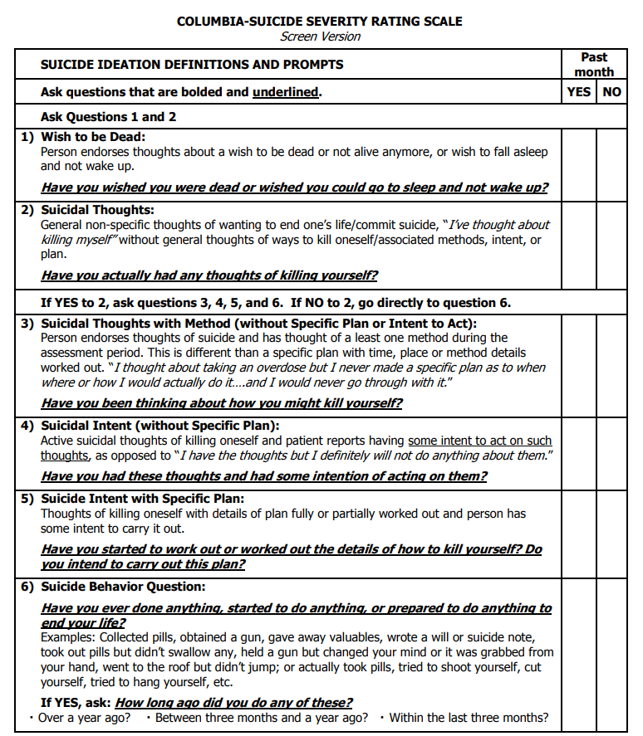

 | Full Reference: Columbia_Suicide_Severity_Rating_Scale.BRIEF_.pdf

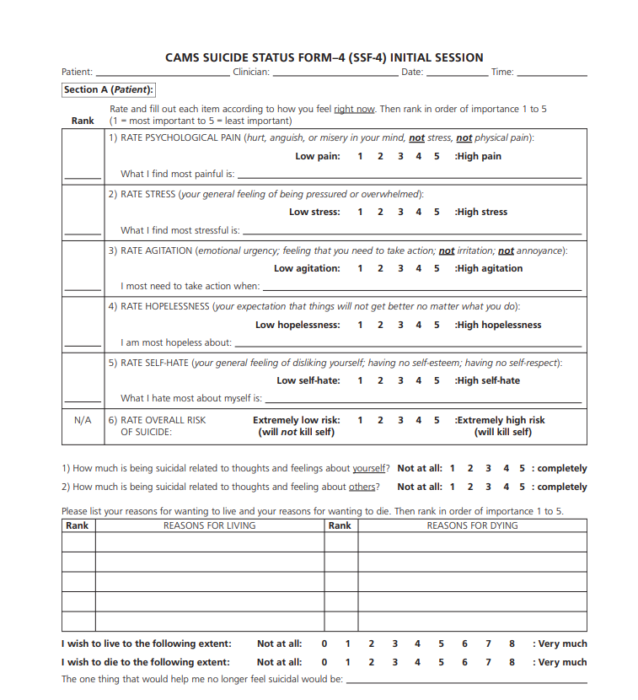
CAMS – Collaborative Assessment and Management of Suicidality

 | Full Reference: CAMS-care_SSF-4.pdf

