CY 22 Data Input
VBP CY 2022 Measure Reporting Template
Please submit template by due date to AHS.DMHReporting@vermont.gov
 |  |  |  | SUBMIT HERE
Agency | please select
Reporting Quarter | please select

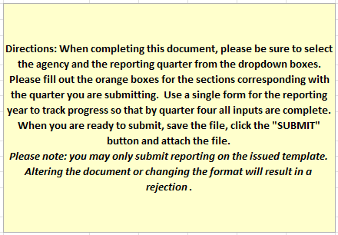
% of clients offered an appointment within 5 days | Due 6/30/2022 |  | Q1
 | for 1/1/22 - 3/31/22 | Numerator= | #DIV/0!
 |  | Denominator=

 | Due 9/30/2022 |  | Q2
 | for 4/1/22 - 6/30/22 | Numerator= | #DIV/0!
 |  | Denominator=

 | Due 12/31/2022 |  | Q3
 | for 7/1/22 - 9/30/22 | Numerator= | #DIV/0!
 |  | Denominator=

 | Due 3/31/2023 |  | Q4
 | for 10/1/22 - 12/31/22 | Numerator= | #DIV/0!
 |  | Denominator=

% of clients with a follow up within 14 days | Due 6/30/2022 |  | Q1
 | for 1/1/22 - 3/31/22 | Numerator= | #DIV/0!
 |  | Denominator=

 | Due 9/30/2022 |  | Q2
 | for 4/1/22 - 6/30/22 | Numerator= | #DIV/0!
 |  | Denominator=

 | Due 12/31/2022 |  | Q3
 | for 7/1/22 - 9/30/22 | Numerator= | #DIV/0!
 |  | Denominator=

 | Due 3/31/2023 |  | Q4
 | for 10/1/22 - 12/31/22 | Numerator= | #DIV/0!
 |  | Denominator=

% of adult clients screened for depression at intake | Due 6/30/2022 |  | Q1
 | for 1/1/22 - 3/31/22 | Numerator= | #DIV/0!
 |  | Denominator=

 | Due 9/30/2022 |  | Q2
 | for 4/1/22 - 6/30/22 | Numerator= | #DIV/0!
 |  | Denominator=

 | Due 12/31/2022 |  | Q3
 | for 7/1/22 - 9/30/22 | Numerator= | #DIV/0!
 |  | Denominator=

 | Due 3/31/2023 |  | Q4
 | for 10/1/22 - 12/31/22 | Numerator= | #DIV/0!
 |  | Denominator=

% of adult clients screened for substance use at intake | Due 6/30/2022 |  | Q1
 | for 1/1/22 - 3/31/22 | Numerator= | #DIV/0!
 |  | Denominator=

 | Due 9/30/2022 |  | Q2
 | for 4/1/22 - 6/30/22 | Numerator= | #DIV/0!
 |  | Denominator=

 | Due 12/31/2022 |  | Q3
 | for 7/1/22 - 9/30/22 | Numerator= | #DIV/0!
 |  | Denominator=

 | Due 3/31/2023 |  | Q4
 | for 10/1/22 - 12/31/22 | Numerator= | #DIV/0!
 |  | Denominator=

% of adult clients screened for trauma at intake | Due 6/30/2022 |  | Q1
 | for 1/1/22 - 3/31/22 | Numerator= | #DIV/0!
 |  | Denominator=

 | Due 9/30/2022 |  | Q2
 | for 4/1/22 - 6/30/22 | Numerator= | #DIV/0!
 |  | Denominator=

 | Due 12/31/2022 |  | Q3
 | for 7/1/22 - 9/30/22 | Numerator= | #DIV/0!
 |  | Denominator=

 | Due 3/31/2023 |  | Q4
 | for 10/1/22 - 12/31/22 | Numerator= | #DIV/0!
 |  | Denominator=

% of clients with a CANS assessment | Due 9/30/2022 |  | Biannual 1
 | for 12/1/21 - 6/30/22 | Numerator= | #DIV/0!
 |  | Denominator=

 | Due 3/31/2023 |  | Biannual 2
 | for 6/1/22 - 12/31/22 | Numerator= | #DIV/0!
 |  | Denominator=

% of clients with an ANSA assessment | Due 3/31/2023 |  | Annual
 | for 1/1/22 - 1/31/23 | Numerator= | #DIV/0!
 |  | Denominator=

Monthly Service Report is due monthly.
Client Satisfaction Surveys are due to VCP once annually in March, 2023.

Point Structure Viz DRAFT
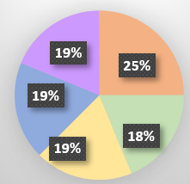
Point structure CY22: | Point structure CY22:
 | Total pts | Value per item & number of items
 | 8 | Monthly MSR timely & complete (0.33 each x 24 items)
 | 6 | Annual Survey target met (1.5 each x 4 items)
 | 6 | Quarterly direct report data (days clients seen) (0.75 each x 8, with potential for 0.375 each in MI)

 | 6 | Quarterly direct report data (screening tools) (0.5 x 12, with potential for 0.25 each in MI)

 | 6 | Biannual CANS & Annual ANSA report (2 each x 3 items, with potential for 1 each in MI for CANS items this reporting year)
Monthly MSR timely & complete (.5 each x 24 items) | 12 | 12
Annual Survey target met (2 each x 4 items) | 8 | 8
Quarterly direct report data (days clients seen) (.25 x 16) | 4 | 4
Quartly direct report data (screening tools) (0.16625 x 24) | 4 | 4
Biannual CANS report (1 each x 4 items) | 4 | 4
 | 32 points possible, cut off at 30 for full payment

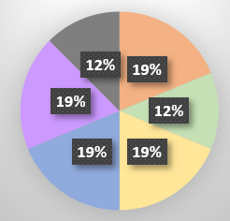
New point structure CY23: | New point structure CY23:
 | Total pts | Value per item & number of items
 | 6 | Quarterly MSR timely & complete (0.75 each x 8 items)
 | 4 | Annual Survey target met (1 each x 4 items)
 | 6 | Quarterly direct report data (days clients seen) (0.75 each x 8, with potential for 0.375 each in MI)

 | 6 | Quarterly direct report data (screening tools) (0.5 x 12, with potential for 0.25 each in MI)

 | 6 | Biannual CANS & Annual ANSA report (2 each x 3 items, with potential for 1 each in MI)

 | 4 | HEDIS measures (points each TBD)
 | 32 points possible, cut off at 30 for full payment

