Reference
Minimum Standards for Adult Mental Health
Definitions and Intent
Updated September 2020

Source | Minimum Standard | What are we trying to accomplish by asking this (Intent) and/or examples of questions to ask | Scoring Key
Source | I. General Information:

AR 4.9.2 MH Provider Manual Section 4.5 | 1. Consent to evaluation and treatment services signed by client or documentation of refusal | Client signature required or documentation of refusal. | 0 = No signatures 1= Cannot score as 1 2 = Signature(s) present N/A= Cannot score as N/A
AR 4.9, 4.13, MH Provider Manual Throughout | 2. Evidence that Rights and Responsibilities information was given to client | Evidence that client received notification of their rights while receiving services, including HIPAA and confidentiality. Typically found in intake documentation. | 0 = No signature or documentation 1 = Cannot score as 1 2= Signature or documentation present N/A= Cannot score as N/A
AR 4.15, MH Provider Manual Section 4.2 | 3. Evidence Grievance and Appeal information was given to client | Evidence that client received notification of their grievance and appeal rights. Typically found in rights and responsibilities or overall intake documentation. This should happen once at intake and again anytime a client states an issue/dissatisfaction. | 0 = No signature or documentation 1 = Cannot score as 1 2= Signature or documentation present N/A= Cannot score as N/A
AR 4.9.5, 4.9.10 and 4.9.11, MH Provider Manual Section 4.8 | 4. Medical home/PCP identified or evidence of attempt to connect with PCP | Ensuring that the client has an identified PCP with the intent of collaboration with the DA/SSA. A release that states client refused to provide consent to release information is acceptable. | 0 = No release 1= Cannot score as 1 2 = Release present N/A= Cannot score as N/A
MH Provider Manual Section 2.2 (CRT) | 5. Advance directive in chart (or evidence of refusal) | Ensuring that there is an advance directive in chart or clear evidence that client and staff discussed advance directives and the client did not want more support or information. | 0= no advance directive/conversation 1= evidence of conversation not clear if client wanted more info 2= Advance Directive/refusal present N/A= Cannot score as N/A
 | II. Clinical Evaluation, Assessment, and/or Screening: If the assessment is outdated and does not cover the period under review, all scores for this section are 0
MH Provider Manual Section 4.4 | 1. Assessment is completed within 45 days of intake or within 2 years for a reassessment. Reassessments should also be completed if a significant life event occurs. | A current assessment is crucial as the basis to inform treatment. Reassessments should also occur with significant events such as: • a substantial improvement that results in a long-term recovery or loss of disability, affecting eligibility determination, • major transitions including developmental milestones (for example, child-adult transition, Major impairments or injury whereby needs change and other primary support programs are better able to meet those changed needs; • prolonged pattern of non-participation in services, • change or clarification of diagnosis that impacts treatment plan and/or eligibility, • significant changes in family dynamics, make-up, support, or functioning; and/or • significant escalation in patterns of behavior that impact placement, activities of daily living or ability to maintain in their current placement or safety in the community. | 0 = No Assessment present, or does not cover the period under review 1 = Initial assessment not completed within 45 days, lapse in reassessment 2-year requirement 2= Assessment is completed in a timely manner N/A= Cannot score as N/A
MH Provider Manual Section 3.1 | 2. Basic Demographic Information (age, gender, housing, employment, education, members of household, etc.) | Clinical Evaluation/Assessment must capture basic demographic data (age, gender, housing, employment/education, members of household, etc). | 0= No assessment, assessment older than 2 years, or demographic data not recorded. 1= Some demographic data, but missing elements 2= All demographic info present N/A= Cannot score as N/A
MH Provider Manual Section 3.1 | 3. Presenting problem/concern/issue | Clinical Evaluation/Assessment includes a review of relevant information from other sources, such as the family, health care provider, childcare provider, schools, other State agencies or programs, or others involved with the individual and their family. Clearly document why you are serving this person and begin to formulate a treatment plan. Client voice is incorporated in assessment. Why is the client accessing services now? What do they expect to get out of treatment? What do they understand that treatment will look like? What other interventions have they tried? How did they help? Not help? It is clear what the client would consider a successful outcome – be specific and concrete. | 0= No presenting issue 1= Basic information about presenting issue, lacks detail or additional perspectives 2= Presenting issue is clear and detailed N/A= Cannot score as N/A
MH Provider Manual Section 3.1 | 4. History of presenting issue | Description of current issue including individual and family strengths and stressors. | 0= No history of presenting issue 1= Basic information about history of presenting issue, lacks individual and family strengths 2= History of presenting issue is clear and identifies strengths N/A= Cannot score as N/A
MH Provider Manual Section 3.1 | 5. Provider's Expectations of Treatment | Evaluation/Assessment states expected benefits of the treatment(s) recommended. This is what the provider expects will result from treatment. | 0= No expectations identified 1= Expectations present, but not tied to recommendations for treatment 2= Expectations of treatment are clear and tied to recommendations N/A= Cannot score as N/A
MH Provider Manual Section 3.1 | 6. Medical and Psychiatric History | Medical and psychiatric history is reviewed, if client has been receiving services for multiple years, the relevant history is carried over to new evaluations/assessments. Charts should not state ‘see previous evaluation/assessment’. Medical History is explored with a summary of health issues/events and allergies (including medication allergies and adverse reactions). Need to have a full understanding of health issues as they relate to mental health and this level of care. Also need any relevant allergy information for staff planning activities. | 0= Medical and psychiatric history not present 1= Medical and psychiatric history present, but not detailed 2= Medical and psychiatric histories present and complete N/A= Cannot score as N/A
MH Provider Manual Section 3.1 | 7. Developmental History | Need to create minimum list: from CARF standards? | 0= Developmental history not present 1= Developmental history present, but not detailed 2= Developmental history present and complete N/A= Cannot score as N/A
MH Provider Manual Section 3.1 | 8. Substance Use History | SU history should be reviewed. Each DA should have the ability to provide a SU screening using one of the screens identified by ADAP. SU and MH should be addressed in a co-occurring model if possible. Both issues can have an impact on each other, and it is best to identify and make sure the treatment plan addresses both. If not possible within the agency, then there is documentation | 0= SU history not addressed 1= SU history addressed, SU assessment indicated but not present. 2= SU history present and any applicable screenings or assessments are present N/A= Cannot score as N/A
MH Provider Manual Section 3.1 | 9. Family history, including ethnicity and cultural considerations | To better understand the client, the evaluation and assessment should include information about the client and/or significant family members. Relationships can give insight into issues and strengths. Other members of the household can impact all other members. What are the types and quality of the relationships the client has with family and friends? How have they changed over the years? What relationships are important to them? Ethnicity and cultural considerations must be reviewed with the client and taken into account in treatment recommendations and service/support planning. | 0= Family history not present 1= Family history present, but not detailed 2= Family history present and complete N/A= Cannot score as N/A
MH Provider Manual Section 3.1 | 10. Past and current exposure to trauma and current functional impacts | Trauma is often under-identified as a driver of behavior challenges or internalizing behavior and can have a significant impact on mental health and functioning. Is there information around possible trauma the client may have experienced – including, but not limited to witnessing domestic violence, any history of abuse, neglect, family substance abuse, sexual abuse, deaths in the family, significant traumatic events, etc. | 0= Exposure to trauma not addressed 1= Exposure to trauma present, but not detailed 2= Exposure to trauma present and complete N/A= Cannot score as N/A
MH Provider Manual Section 3.1 | 11. Support systems, including relationships/interactions with family, friends, and other community members (including spiritual resources, leisure activities, skills) | Developing natural supports is a crucial to maintaining progress and can be key in supporting treatment plans. Who else does the client know outside of immediate family that can support them? How can they help or be involved in the client’s treatment? Who will be there for the client when treatment ends? | 0= Support systems not identified 1= Support systems present, but not detailed 2= Support systems present and complete N/A= Cannot score as N/A
MH Provider Manual Section 3.1 | 12. Current functional capacity, relevant history, and current stressors in areas of self-care skills, community living skills, housing, finances, employment/education, legal, parenting | An assessment of current functional capacity is a key component of evaluating areas of need and understanding how the person is caring for themselves and engaging with the world around them. | 0= Functional capacity not assessed 1= Functional capacity present, but not detailed 2= Functional capacity present and complete N/A= Cannot score as N/A
MH Provider Manual Section 3.1 | 13. Evaluation of mental, emotional, intellectual/cognitive, behavioral status | Clear understanding of the client’s intellectual capacity or learning style and how it impacts ability to engage in treatment. Did the clinician identify the intersection of mental/emotional/behavioral patterns with the cognitive capacity? | 0= Evaluation not present 1= Evaluation present, but not detailed 2= Evaluation present and complete N/A= Cannot score as N/A
MH Provider Manual Section 3.1 | 14. Mental status exam | Elements of a mental status exam typically include assessment of; Appearance, Thought Content, Attitude, Activity, Perceptual Abnormalities, Cognition, Mood, Insight and Judgement, Affect, Speech and Language, and Thought Process. | 0= Mental status not assessed 1= Mental status exam present, but missing elements 2= Mental status exam present and complete N/A= Cannot score as N/A
MH Provider Manual Section 3.1 & Attachment C | 15) Use of psychometric tests, including screenings (i.e. Trauma, Depression, Substance Use, etc.) ANSA counts before 1/1/2021, not after. If the IPC was last updated before 1/1/2020, any screening tool counts. IPC Updated after 1/1/20 waterfall screens (next three questions) replace. | Standardized tools may include, but are not limited to: ANSA, ASR, ABCL, Trauma screening PC-PTSD-5, Substance Use CAGE-AID when indicated, and PHQ2/9 for depression. | 0= No evidence of standardized tools present 1= Some tools have been administered, but others that were clinically indicated were not completed 2= All clinically indicated tools completed N/A= Cannot score as N/A
MH Provider Manual Section 3.1 & Attachment C | 16a) CAGE-AID was completed and informs the assessment | Not in use until First IPC after 1/1/2020. If there is no screen, a clinical rationale must be provided such as "Client declined to answer due so not knowing clinican yet" or "Screen unnecessary since cleint was referred for substance use needs and more extensive assessment is already planned / was completed" | 0= No evidence/ incomplete tool 1= Tool present but not fully integrated 2= Tool complete and integrated N/A= Cannot score as N/A
MH Provider Manual Section 3.1 & Attachment C | 16b) PHQ-9 was completed and informs the assessment | Not in use until First IPC after 1/1/2020. If there is no screen, a clinical rationale must be provided. See example above. | 0= No evidence/ incomplete tool 1= Tool present but not fully integrated 2= Tool complete and integrated N/A= Cannot score as N/A
MH Provider Manual Section 3.1 & Attachment C | 16c) PTSD-5 was completed and informs the assessment | Not in use until First IPC after 1/1/2020. If there is no screen, a clinical rationale must be provided. See example above. | 0= No evidence/ incomplete tool 1= Tool present but not fully integrated 2= Tool complete and integrated N/A= Cannot score as N/A
MH Provider Manual Section 3.1 | 17. Diagnosis / clinical impression | An accurate understanding of any mental health issues is important in order to develop an appropriate treatment plan. Does it make sense? Reflect the symptoms and exhibited behaviors? Meet criteria? Not superficial or just a holdover from previous assessments? (e.g., not Adjustment D/O for five years, etc.). Significant diagnosis needs additional documentation to support. | 0= No diagnosis present 1= Diagnosis is not fully reflected by the assessment 2= Diagnosis is evidenced by the assessment N/A= Cannot score as N/A
MH Provider Manual Section 3.1 | 18. Clinical formulation / interpretative summary (summary of findings leading to a clinical hypothesis) | In order to tie all the information together to be able to develop a clear treatment plan. The central theme is apparent. This should be a brief, but thorough summary of the presenting issues for the client, the severity of the issues, their strengths, willingness and ability to participate in treatment, any potential barriers to treatment or co-occurring disabilities, and the diagnosis. | 0= No clinical formulation or interpretive summary 1= Does not tie back to assessment, diagnosis, and standardized tools 2=Clearly connected to assessment, diagnosis, and standardized tools N/A= Cannot score as N/A
MH Provider Manual Section 3.1 | 19. Treatment/service recommendations | Recommendations should be based on the clinical formulation and addressing individual/family’s goals. These recommendations form the basis of the Individual Plan of Care. Treatment recommendations for type of treatment, as well as frequency, should reflect best practice standards, as well as the client’s ability to realistically engage or complete treatment. Recommendations should include any special assessments or tests and routine procedures. Also includes general discussion of anticipated level of care, length and intensity of treatment and expected focus. | 0= No treatment/service recommendations 1= Recommendations do not tie back to assessment, diagnosis, and standardized tools 2=Recommendations are clearly connected to assessment, diagnosis, and standardized tools N/A= Cannot score as N/A
MH Provider Manual Section 3.1 | 20. Qualified provider’s name, credentials, and signature are present | Medicaid requirement to document who completed the assessment and their qualifications. Assessments must be signed by a licensed; physician, nurse practitioner, psychologist, marriage and family therapist, MH counselor, or social worker. Rostered clinicians may complete the evaluation/assessment but must also have the signature of licensed supervisor. | 0 = All components are absent 1 = Qualified signature present, title and credentials not present 2= Qualified signature, title, and credentials are present N/A= Cannot score as N/A
 | III. Individual Plan of Care (IPC):

MH Provider Manual Section 4.5 | 1. If the initial plan fell under the period under review, it was completed within 30 days of initial assessment. | IPCs reflect the person-centered planning partnership between providers and the enrolled individual. The IPC identifies service expectations, collaborations, and outcomes in support of the individual’s goals. It includes all planned services to address the individual’s treatment goals. | 0= No IPC 1= Initial IPC exists, but not completed within 30 days of completed assessment 2= IPC was completed within 30 days of completed assessment N/A= IF plan is an UPDATE, score n/a
MH Provider Manual Section 4.5 | 2. If the plan is an update, it was completed within the last year | IPCs must be updated annually or after an applicable life event (e.g. divorce, family death, loss of housing, significant medical diagnosis) | 0 = IPC not updated 1 = IPC updated, but missed annual date requirement or major event has occurred, and the plan has not been updated to reflect changes in client’s life 2= IPC has been updated within the last year and/or after a major event N/A= If plan is INITIAL, score n/a
AR 4.9.2, MH Provider Manual Section 4.5 | 3. The client’s signature is present. | If signature is not present, it should be an exception and explained in the IPC. | 0= No signature and no explanation why it’s missing 1= Signature of parent, but not youth if 14 or older (12 for SU) 2= Signature of all applicable participants present or adequate explanation if missing N/A= Cannot score as N/A
MH Provider Manual Section 4.5 | 4. Signed by a licensed master’s-level clinician, a physician, or an authorized advanced practice psychiatric nurse practitioner (APRN). | At a minimum, the treatment plan must be signed by a licensed master’s-level clinician, a physician, or an authorized advanced practice psychiatric nurse practitioner (APRN). Signature of psychiatrist/psychiatric nurse practitioner is required for plans only if any of the following conditions are present: • med management is a service on the plan • the client is discharging from psychiatric hospitalization • the supervising clinician feels the client’s treatment issues warrant psychiatric review or consult. | 0 = No signature or wrong level of signature present 1 = Signature has unclear credentials 2= Signature, at proper level, is present N/A = Cannot score as n/a
MH Provider Manual Section 4.5 | 5. Goals/outcomes are a statement of the overall, long term desired results of service interventions and are meaningful to and have been developed in partnership with the client, as evidenced by documented input from client | Clients will feel more ownership of goals if they are in their language. Are the goals stated in the client’s words with interpretation by the clinician? Do they seem to reflect the issues identified in the assessment? Are the objectives concrete and reasonable for the client to work toward? Was the plan developed with the active participation of the person served? | 0 = No evidence client/family participated, no indication of long-term results 1 = Some 2 = Documentation is clear and indicates client/family was involved, goals indicate expected results N/A= Cannot score as N/A
MH Provider Manual Section 4.5 | 6) Goals reflect evaluation and/or other assessments, or recent progress notes if the plan is an update. IPCs completed AFTER 1/1/2021: Goals reflect the latest ANSA, which has been completed in the last year | Goals should be tied directly to the assessment. Do goals reflect the treatment recommendations of the most recent assessment, or is there documentation in progress notes to show that the client’s issues/challenges have shifted or developed? | 0 = Evaluation and assessments not considered in formulating goals 1 = Some incorporation of evaluation or assessments 2 = Goals clearly informed by evaluation and assessments client/family was involved, goals indicate expected results N/A= Cannot score as N/A
MH Provider Manual Section 4.5 | 7. Plan includes at least one goal that reflects mental health treatment needs | At least one goal must reflect mental health treatment needs. If necessary or appropriate, are the client’s words, needs, desires and/or goals translated into mental health-oriented goals that identify and target a mental health issue? | 0 = Mental health goal is absent 1 = Goal is unclear or loosely tied to mental health 2 = Specific clinical interpretation of client’s needs into mental health goals N/A= Cannot score as N/A
MH Provider Manual Section 4.5 | 8. Goals have objectives that are observable, measurable and achievable, and include specific time frames for achieving/assessing progress | The action steps to complete a goal are laid out with objectives that are appropriate (to age and developmental level) concrete, measurable, reflect the ability and commitment level of the client, understandable to the client, and achievable. Could a client or reader understand what would indicate a successful completion of the goal? Must be clear about what is being provided to help client attain goals. Specific supports that are needed and the frequency of that service without having PRN incorporated into the plan. Plan should also identify a realistic time frame for accomplishing the goal. | 0 = Action steps are missing from service plan and/or goals do not seem realistic or measurable. 1 = Some elements are missing or unclear 2 = Objectives and action steps are clear, realistic, and measurable. N/A= Cannot score as N/A
AR 4.9.1, MH Provider Manual Section 4.5 | 9. Client’s plan is accessible and easy to understand for the consumer. | The IPC does not use excessive jargon or only mental health terminology. The organization of the form is logical and understandable, and it is obvious that the client’s abilities and goals have been incorporated into the plan. | 0 = IPC not accessible 1 = Some elements of the IPC are clear and accessible 2 = Plan is clear and easy to understand and follow. N/A= Cannot score as N/A
AR 4.9.9, MH Provider Manual Section 4.5 | 10. IPC reflects risk factors and have measures in place to minimize them, including individualized plans and strategies when needed | Has the client been screened by emergency services before? What has been the severity/potential lethality of the behaviors? Is there a current crisis plan in place? Do they need one? | 0 = Risks indicated, but not documented in client’s IPC 1 = IPC does not adequately plan for identified risks or needs to be updated 2 = Clear information about risks is present, defined, and planned for in IPC. N/A= No risks indicated
AR 4.9.1, MH Provider Manual Section 4.5 | 11. Plan describes the specific changes in behavior, function and/or status that would indicate progress toward the long-term goal | Could a client or reader understand what would indicate a successful completion of the goal? For example, not just that a behavior disappears, but what other behavior, situation or relationship would take its place, or what level of change in behavior is being worked on. When indicated, a proactive crisis plan or WRAP (using Copeland’s Wellness Recovery Action Plan) will be developed with the individual in collaboration with their identified family or support persons as requested. | 0 = IPC does not articulate expected outcomes 1 = Expected outcomes are present, but lack detail 2 = Expected outcomes are clearly articulated N/A= Cannot score as N/A
MH Provider Manual Section 4.5 | 12. Type of intervention or service, frequency, and time frame are identified | Interventions: A description of the actions used to achieve each objective. For each intervention identify • who- The responsible person or role providing the intervention. This could include staff, family and/or natural support network; • what- The specific service to be provided; • when- The frequency and duration. It is acceptable to identify a range of treatment frequency for planned services or interventions. PRN or “as needed” frequency should be reserved for emergent or episodic service delivery. | 0 = Type of clinical intervention, frequency or time frame of services is missing from IPC 1 = Some elements missing 2 = Clinical intervention strategy, frequency and time frame of services is clear and complete N/A= Cannot score as N/A
MH Provider Manual Section 4.5 | 13. Documentation shows who will provide services (at least title or position is required). | Best practice would have the name of the clinician or provider listed, but at least the program name should be indicated that is providing the service. | 0= Service plan does not identify program/staff person 1 = Service plan’s identification of program/staff person is mostly clear 2 = Service plan clearly identifies program/staff person, title, and credentials N/A= Cannot score as N/A
 | IV. Service Delivery and Documentation

MH Provider Manual Section 4.7 | 1. Progress notes document clinical intervention used | Is there enough content in the note to show there was a quality interaction, intervention used, and progress toward goals? Or, if the intervention is more activity-based, is there a description of how the activity has a therapeutic component and will help the client make progress toward a goal. | 0 = No evidence of clinical intervention used 1 = Clinical intervention used is inconsistent or unclear 2 = Documentation clearly and consistently notes clinical intervention used N/A= Cannot score as N/A
MH Provider Manual Section 4.7 | 2. Notes contain a summary of major content or intervention themes consistent with treatment goals | Is the therapeutic goal of the activity stated and how it will help the client meet their goals? Is there appropriate content in the description to ensure that there is not excessive repetition over time? Intervention should tie back to an IPC goal. | 0 = No evidence of clinical intervention used 1 = Clinical intervention used is inconsistent or unclear 2 = Documentation clearly and consistently notes clinical intervention used N/A= Cannot score as N/A
MH Provider Manual Section 4.7 | 3. Description of services and interventions that reflect those listed in the treatment plan |  | 0 = No evidence of clinical intervention used 1 = Clinical intervention used is inconsistent or unclear 2 = Documentation clearly and consistently notes clinical intervention used N/A= Cannot score as N/A
MH Provider Manual Section 4.7 | 4. Observations made of the individual or responses to interventions | Note should include client’s response to intervention utilized. Did the intervention result in a response that indicates progress toward a goal or did the response indicate that the client is still working toward | 0 = No evidence of clinical observation 1 = Observation about response is inconsistent or unclear 2 = Documentation clearly and consistently notes client response N/A= Cannot score as N/A
MH Provider Manual Section 4.7 | 5. Interagency coordination is evident if appropriate ex. chronic health conditions requiring PCP involvement beyond routine care, parole involement, housing supports |  | 0 = No evidence of coordination 1 = Coordination does not include all applicable partners or lacks key elements 2 = Clear evidence of coordination with all applicable partners N/A = Coordination is not clinically indicated
MH Provider Manual Section 4.7 | 6. Documentation of ongoing need for continued intervention and plan | Is there documentation that supports the need to continue the intervention/plan? Notes should include progress or gains made by the client to support the continued use of an intervention related to the IPC goal. | 0 = No documentation in chart 1 = Documentation unclear or incomplete (relies on single word descriptors, or is excessively brief or repetitive) 2 = Documentation is clear, informative, individualized and describes the client’s progress toward their treatment goals or any changes in therapeutic direction. N/A= Cannot score as N/A
MH Provider Manual Section 4.7 | 7. Notes include an assessment of progress toward treatment goals | Is there thoughtful assessment of the progress (or lack of progress) the client is making, and how the interventions are helping them achieve their goals? If they are not making progress, is a change in direction, alternate intervention, or change in service frequency identified? | 0 = No documentation in chart 1 = Documentation unclear or incomplete (e.g., relies on single word descriptors, or is excessively brief or repetitive) 2 = Documentation is clear, informative, individualized and describes the client’s progress toward their treatment goals or any changes in therapeutic direction. N/A= Cannot score as N/A
MH Provider Manual Section 4.7 | 8. There is evidence of consultation for complex cases or clients making little or no progress | For clients who exhibit challenging boundary issues, have extremely complex presentations, or are making little or no progress, is there documentation that the clinician or provider is accessing regular supervision to support them in addressing the client’s needs? | 0 = No documentation in chart 1 = Documentation unclear or incomplete (e.g., relies on single word descriptors, or is excessively brief or repetitive) 2 = Documentation is clear, informative, individualized N/A= No evidence consult is needed during this period
MH Provider Manual Section 4.7 | 9. If appropriate, there is documentation of integration or collaboration with primary care | Documentation should demonstrate collaboration between agency and PCP if client has a health condition, severe allergies, or receives medication management. | 0 = No documentation in chart 1 = Documentation unclear or incomplete 2 = Documentation is clear, informative, individualized N/A = Collaboration with PCP not medically indicated
MH Provider Manual Section 4.7 | 10. Service is delivered or supervised by a qualified provider as noted by clinician signature, degree, and date. | Notes must be signed, dated, and include staff credentials. Notes must be at a minimum monthly, weekly are also acceptable. Notes must follow supervised billing requirements, however not all notes require signature from licensed clinician, see MH Provider Manual for supervised billing guide. For example, therapy notes must be signed by a licensed clinician. | 0 = signature absent 1 = Signature present, no credentials or date 2= signature, date, and credentials are all present N/A = signature not required.
MH Provider Manual Section 4.7 | 11. Progress notes are individualized to the client’s service interactions and do not contain excessive repetition over time | Are the notes individualized? Excessive repetition in notes is unacceptable. Photocopied or “cut and paste” descriptions of the activity and/or client response that are used repeatedly are unacceptable. | 0 = Excessive repetition throughout the case notes or “cut and paste” descriptions. 1 = Individualized notes, some repetition 2 = Documentation consistently individualized to the specific interaction and client response. N/A = Cannot score N/A
MH Provider Manual Section 4.7 | 12. Notes demonstrate a clear relationship to assessment data | The Department of Mental Health is moving to use of standardized tools for functional status and progress monitoring. Standardized tools should be used to prioritize interventions, direct treatment planning, and inform decision making at the direct service level. | 0 = No relationship between intervention and assessment data/findings 1= Notes sometimes relate to assessment findings/data 2= Notes clearly demonstrate connection between intervention and assessment data/findings N/A = Cannot score N/A
 | V. Crisis Management

MH Provider Manual Section 4.5 | 1. When indicated, there is a proactive crisis plan (a sudden change in behavior with negative consequences for well-being, a loss of effective coping mechanisms, or presenting danger to self or others) | The best way to avoid crisis is to plan how to respond. If the client has a history of multiple crisis calls and/or screenings or a significant self-harming or aggressive episode, then a pro-active crisis plan is appropriate. | 0 = No crisis plan, but it is clinically indicated. 1 = Crisis plan present, but missing key elements 2 = Crisis plan present and contains all needed information N/A = No clinical need for a crisis plan
MH Provider Manual Section 3.2 | 2. If there are face to face crisis screenings, crisis note must contain: identified issue or precipitant to crisis contact, • issues addressed or discussed, • collateral contact information as solicited or available, • observations made by the clinician, • the clinician’s assessment of the issues/situation including mental status and lethality/risk potential, • disposition or plan resulting from the crisis intervention, • psychiatric consultation, as clinically indicated" | All elements must be present in note for a face-to-face crisis screening. | 0 = Screenings missing multiple key elements. 1 = Screenings missing a few elements 2 = Screenings contains all necessary information N/A = No screenings
MH Provider Manual Section 3.2 | 3. If a screening for an inpatient setting occurs; was it completed by a screener or reported by a reliable clinician and does it consist of a statement of the presenting problem and its history | Screeners for inpatient settings must be Qualified Mental Health Providers (QMHPs) or qualified clinicians/physicians. | 0 = Screening missing multiple key elements. 1 = Screening lacking some details 2 = Screening contains all necessary information N/A = No inpatient screenings
MH Provider Manual Section 3.2 | 4. Inpatient Screening: does it contain a description of the community resources considered | Were other community-based options considered as alternatives to inpatient? The least restrictive level of care that will meet the client’s clinical need should always be considered first. | 0 = No description 1 = Lacking some detail 2 = Contains all necessary information N/A = No inpatient screenings
MH Provider Manual Section 3.2 | 5. Inpatient Screening: was a risk assessment completed | Risk assessments must be completed for anyone being screened for an inpatient setting. | 0 = No risk assessment 1 = Lacking some detail 2 = Contains all necessary information N/A = No inpatient screenings0 = No risk assessment 1 = Lacking some detail 2 = Contains all necessary information N/A = No inpatient screenings
MH Provider Manual Section 3.2 | 6. Inpatient Screening: Does it contain a recommendation for placement | The screening for inpatient must contain a recommendation for placement. | 0 = No recommendation 1 = Lacking some detail 2 = Contains all necessary information N/A = No inpatient screenings
MH Provider Manual Section 4.8 | 7. If client is admitted to a hospital or hospital diversion, is there evidence of discharge planning and participation from the DA/SSA | If a person is hospitalized, the DA/SSA Service Coordinator or designees are expected to: • collaborate actively with the DMH Care Managers and psychiatric inpatient providers; • contribute to the development of the inpatient treatment plan, supporting maximum coordination and continuity of mental health services; • develop timely coordinated aftercare and follow-up plans, and • the DA/SSA psychiatrist is ultimately responsible for the overall efforts on the part of the DA/SSA to coordinate care with the psychiatric inpatient provider | 0 = No evidence of discharge planning 1 = Lacking some detail 2 = Contains all necessary information N/A = No hospitalization or diversion admission
 | VI. Periodic Review & Assessment of Progress
MH Provider Manual Section 4.4 | 1) A standardized screening or assessment tool is used to assess progress For IPCs completed AFTER 1/1/2021: ANSA is used every year to assess progress | The use of standardized screening and/or evaluation tools is expected as part of the intake process and as clinically indicated to direct treatment decisions. At least one standardized screening and/or assessment tool will be used in order to develop the plan of care. | 0 = No tool used 1 = screening/assessment out of date and/ or incomplete 2 = screening/tool utilized N/A = Cannot score N/A
MH Provider Manual Section 4.4 | 2) Information from progress notes are used to inform IPC goals and service delivery as appropriate. |  | 0 = No evidence of integration 1 = incomplete integration 2 = tool & notes fully integrated N/A = Cannot score N/A
MH Provider Manual Section 4.5 | 3. Documentation of ongoing need for continuing intervention (with any description of change in approach if necessary). | What intervention have they tried? How did they help? Not help? | 0 = No evidence of need 1 = no description of changes (if needed) 2 = ongoing need clearly documented N/A = Cannot score N/A
MH Provider Manual Section 4.5 | 4. Intensity of services match the documentation of need | Is the client getting services that meet their clinical need based on their assessment, IPC, and documentation of progress toward IPC goals? | 0 = No match 1 = Match for some services but not all 2 = Full match N/A = Cannot score N/A
 | VII. Transition & Discharge Planning
MH Provider Manual Section 4.8 | 1. Evidence of proper transition/exit planning documentation and notifications | Planning for a transition to or from a residential setting or hospital setting or discharge from services is critical for the client. When applicable, all members of the treatment team should be aware of the transition/exit plan and understand their role. There should be evidence of communication with the treatment team, as well as a clear understanding of what the client needs to have a successful transition. | 0 = No evidence of planning 1 = Incomplete evidence 2 = Evidence is complete N/A = No transition or discharge planning needed
MH Provider Manual Section 4.8 | 2. If client is receiving services through residential care or hospital care, the client will still need to remain open to the DA. There should also be ongoing DA participation in treatment and discharge planning | It is best practice to begin discharge planning prior to admission. Residential care or hospital care is only a piece of a plan not the plan. Ongoing participation in treatment planning and discussions is crucial to understanding the challenges the client will face when returning to the community, as well as what interventions were most (and least) effective. Please refer to the DMH Residential Criteria document. | 0 = No collaboration 1 = Incomplete collaboration 2 = Complete collaboration N/A = No transition or discharge planning needed or not receiving services through residential/hospital care
 | VIII. Crisis Stabilization Program
MH Provider Manual Section 3.3 | 1. Admission documentation includes description of the precipitant crisis, assessment of need, and plan for treatment | Admission documents include: • A description of the precipitant crisis or behavioral/psychiatric decompensation (e.g. observation of behavior supporting crisis stabilization). • An assessment of treatment needs or anticipated benefits of proactive clinical intervention. • A plan for treatment (e.g. issues to be addressed or discussed). | 0 = Missing all components 1 = Some components present 2 = All components present N/A = No stay in crisis stabilization program during review period
MH Provider Manual Section 3.3 | 2. Intake Level of Care Utilization System (LOCUS) present | At intake, a Level of Care Utilization System (LOCUS) must be included to document need. | 0 = No LOCUS 1 = Incomplete LOCUS 2 = LOCUS present N/A = No stay in crisis stabilization during review
MH Provider Manual Section 3.3 & 4.8 | 3. Crisis Stabilization program coordinated with internal treatment team or referring agency if client is from another DA | It is expected that the internal treatment team or referring DA’s team coordinated with the crisis stabilization program throughout the client’s stay. | 0 = No coordination 1 = Incomplete coordination 2 = Thorough coordination N/A = No stay in crisis stabilization program during review period
MH Provider Manual Section 3.3 | 4. Support and referral services include triaging aftercare needs, supportive counseling, skills training, symptom management, medication monitoring, crisis planning, and assistance with referrals from crisis stabilization in a person’s home or by phone | It is required that services include (as applicable to client): • triaging aftercare needs • supportive counseling • skills training • symptom management • medication monitoring • crisis planning • assistance with referrals from crisis stabilization in a person’s home or by phone | 0 = No components present as applicable to client 1 = Some components present as applicable to client 2 = All components present as applicable to client N/A = No stay in crisis stabilization program during review period
MH Provider Manual Section 3.3 | 5. Discharge summary includes observation log, issues addressed, clinician’s assessment, skills developed, follow up plan, and discharge LOCUS | Discharge summary includes: • A log or record of the observations of the individual’s current behavior and presentation. • The issues addressed or discussed or skills developed in the course of service. • The clinician’s assessment of the individual’s response to crisis stabilization. • A follow-up plan (e.g. appointments, supports, medication change, etc.). • Discharge LOCUS | 0 = Few or no components present 1 = Some components present 2 = All components present N/A = No stay in crisis stabilization program during review period, no discharge yet

PHQ-9
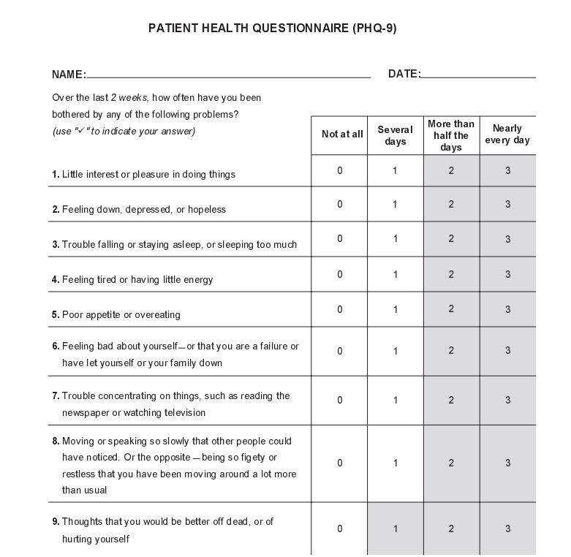

 | Full Reference: Patient Health Questionnaire (PHQ-9) (ahrq.gov)

CAGE-AID
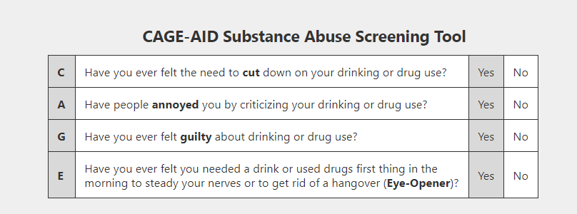

 | Full Reference: CAGE-AID Substance Abuse Screening Tool | Pedagogy, Inc. - (pedagogyeducation.com)

PTSD-5
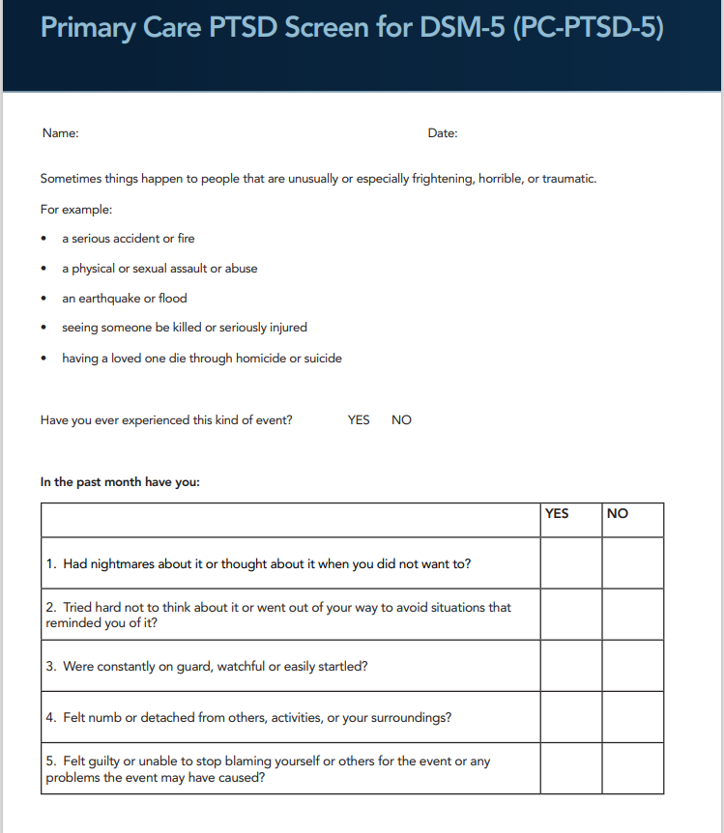

 | Full Reference : PTSD-Screen-for-DSM-5.pdf (phoenixaustralia.org)

